Sheet1
ITEM | IMAGE | UPC | HTS | COLLECTION | SEASON | RTL | PRICE | GENDER | CASE SIZE | CASE MATERIAL | DIAL COLOR | CRYSTAL | BAND COLOR | BAND MATERIAL | CLASP | MOVEMENT | WATER RESISTANCE | COUNTRY OF ORIGIN | WARRANTY
ES5206 | 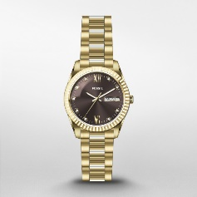 | 796483582408 | 9102.11.1010 | Scarlette | 2022H3 | $140.00 | $70.00 | Ladies | 32 mm | Stainless Steel | Brown | Mineral | Gold | Stainless Steel | Fold-Over | Quartz | 5 ATM | Japan - JP | 2 Year Limited
ES5212 | 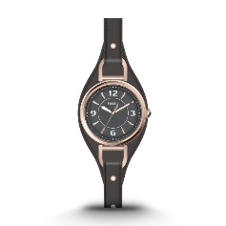 | 796483582361 | 9102.11.3010 | Carlie | 2022H3 | $125.00 | $62.50 | Ladies | 28 mm | Stainless Steel | Black | Mineral | Black | Leather | Buckle | Quartz | 5 ATM | Japan - JP | 2 Year Limited
ES5213 | 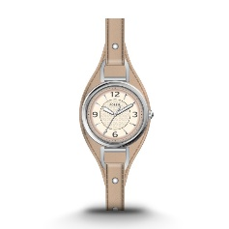 | 796483582385 | 9102.11.4510 | Carlie | 2022H3 | $125.00 | $62.50 | Ladies | 28 mm | Stainless Steel | Cream | Mineral | Nude | Leather | Buckle | Quartz | 5 ATM | Japan - JP | 2 Year Limited
ES5214 | 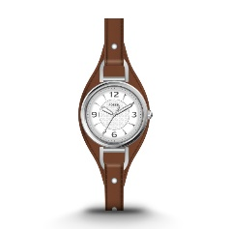 | 796483582392 | 9102.11.4510 | Carlie | 2022H3 | $125.00 | $62.50 | Ladies | 28 mm | Stainless Steel | White | Mineral | Brown | Leather | Buckle | Quartz | 5 ATM | Japan - JP | 2 Year Limited
ES5215 | 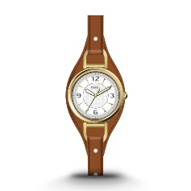 | 796483582378 | 9102.11.3010 | Carlie | 2022H3 | $125.00 | $62.50 | Ladies | 28 mm | Stainless Steel | White | Mineral | Brown | Leather | Buckle | Quartz | 5 ATM | Japan - JP | 2 Year Limited
ES5216 | 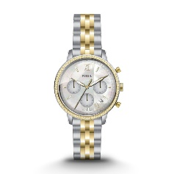 | 796483582514 | 9102.11.1010 | Neutra | 2022H3 | $165.00 | $82.50 | Ladies | 36 mm | Stainless Steel | Mother of Pearl | Mineral | Multi | Stainless Steel | Deployment | Quartz | 5 ATM | Japan - JP | 2 Year Limited
ES5217 | 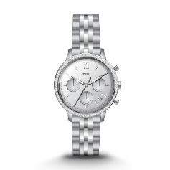 | 796483582507 | 9102.11.2510 | Neutra | 2022H3 | $165.00 | $82.50 | Ladies | 36 mm | Stainless Steel | Silver | Mineral | Silver | Stainless Steel | Deployment | Quartz | 5 ATM | Japan - JP | 2 Year Limited
ES5218 | 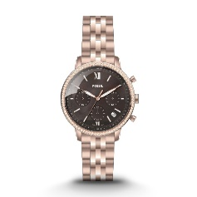 | 796483582491 | 9102.11.1010 | Neutra | 2022H3 | $165.00 | $82.50 | Ladies | 36 mm | Stainless Steel | Black | Mineral | Rose Gold | Stainless Steel | Deployment | Quartz | 5 ATM | Japan - JP | 2 Year Limited
ES5219 | 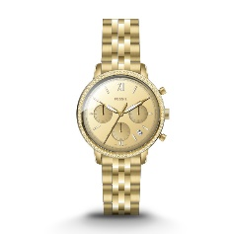 | 796483582484 | 9102.11.1010 | Neutra | 2022H3 | $165.00 | $82.50 | Ladies | 36 mm | Stainless Steel | Gold | Mineral | Gold | Stainless Steel | Deployment | Quartz | 5 ATM | Japan - JP | 2 Year Limited
ES5220 | 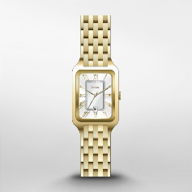 | 796483582446 | 9102.11.1010 | Raquel | 2022H3 | $145.00 | $72.50 | Ladies | 23 mm | Stainless Steel | Silver | Mineral | Gold | Stainless Steel | Fold-Over | Quartz | 5 ATM | Japan - JP | 2 Year Limited
ES5221 | 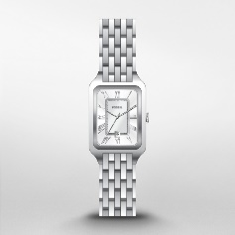 | 796483582439 | 9102.11.2510 | Raquel | 2022H3 | $145.00 | $72.50 | Ladies | 23 mm | Stainless Steel | Silver | Mineral | Silver | Stainless Steel | Fold-Over | Quartz | 5 ATM | Japan - JP | 2 Year Limited
ES5222 | 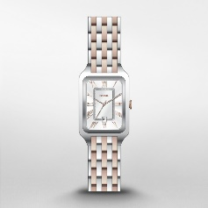 | 796483582453 | 9102.11.1010 | Raquel | 2022H3 | $145.00 | $72.50 | Ladies | 23 mm | Stainless Steel | Silver | Mineral | 2T Silver/Rose | Stainless Steel | Fold-Over | Quartz | 5 ATM | Japan - JP | 2 Year Limited
ES5227 | 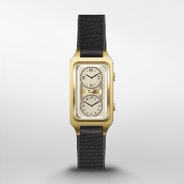 | 796483582569 | 9102.11.3010 | Raquel | 2022H3 | $155.00 | $77.50 | Ladies | 23 mm | Stainless Steel | Cream | Mineral | Black | Leather | Buckle | Quartz | 5 ATM | Japan - JP | 2 Year Limited
ES5228 | 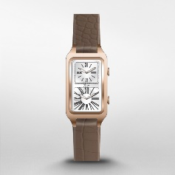 | 796483582576 | 9102.11.3010 | Raquel | 2022H3 | $155.00 | $77.50 | Ladies | 23 mm | Stainless Steel | White | Mineral | Brown | Leather | Buckle | Quartz | 5 ATM | Japan - JP | 2 Year Limited
ES5234 | 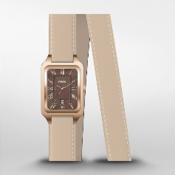 | 796483582422 | 9102.11.3010 | Raquel | 2022H3 | $150.00 | $75.00 | Ladies | 23 mm | Stainless Steel | Multi | Mineral | Brown | Leather | Buckle | Quartz | 5 ATM | Japan - JP | 2 Year Limited
ES5235 | 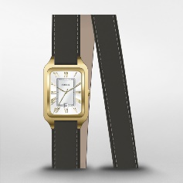 | 796483582415 | 9102.11.3010 | Raquel | 2022H3 | $150.00 | $75.00 | Ladies | 23 mm | Stainless Steel | Silver | Mineral | Black | Leather | Buckle | Quartz | 5 ATM | Japan - JP | 2 Year Limited
FS5932 | 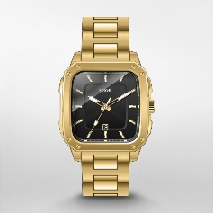 | 796483582583 | 9102.11.1010 | Inscription | 2022H3 | $145.00 | $72.50 | Mens | 42 mm | Stainless Steel | Black | Mineral | Gold | Stainless Steel | Fold-Over | Quartz | 5 ATM | Japan - JP | 2 Year Limited
FS5933 | 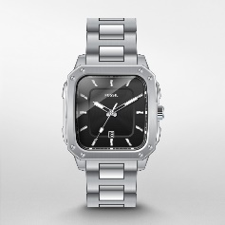 | 796483582354 | 9102.11.2510 | Inscription | 2022H3 | $145.00 | $72.50 | Mens | 42 mm | Stainless Steel | Black | Mineral | Silver | Stainless Steel | Fold-Over | Quartz | 5 ATM | Japan - JP | 2 Year Limited
FS5934 | 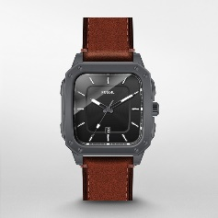 | 796483582712 | 9102.11.4510 | Inscription | 2022H3 | $125.00 | $62.50 | Mens | 42 mm | Stainless Steel | Black | Mineral | Brown | Leather | Buckle | Quartz | 5 ATM | Japan - JP | 2 Year Limited
FS5936 | 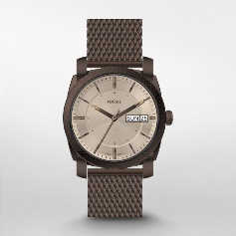 | 796483582323 | 9102.11.2510 | Machine | 2022H3 | $150.00 | $75.00 | Mens | 42 mm | Stainless Steel | Brown | Mineral | Brown | Stainless Steel | Sliding Closure | Quartz | 5 ATM | Japan - JP | 2 Year Limited
FS5938 | 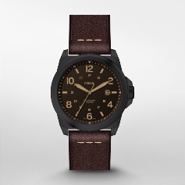 | 796483582330 | 9102.11.4510 | Bronson | 2022H3 | $125.00 | $62.50 | Mens | 40 mm | Stainless Steel | Black | Mineral | Brown | Leather | Buckle | Quartz | 10 ATM | Japan - JP | 2 Year Limited
FS5940 | 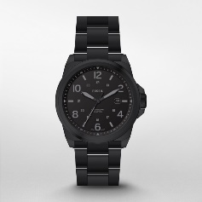 | 796483582347 | 9102.11.2510 | Bronson | 2022H3 | $145.00 | $72.50 | Mens | 40 mm | Stainless Steel | Black | Mineral | Black | Stainless Steel | Fold-Over | Quartz | 10 ATM | Japan - JP | 2 Year Limited
FS5941 | 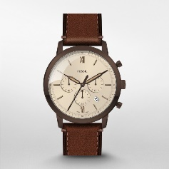 | 796483582705 | 9102.11.4510 | Neutra | 2022H3 | $160.00 | $80.00 | Mens | 44 mm | Stainless Steel | Brown | Mineral | Brown | Leather | Buckle | Quartz | 5 ATM | Japan - JP | 2 Year Limited
FS5942 | 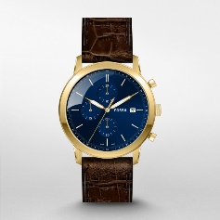 | 796483582675 | 9102.11.3010 | Minimalist | 2022H3 | $155.00 | $77.50 | Mens | 42 mm | Stainless Steel | Blue | Mineral | Brown | Leather | Buckle | Quartz | 5 ATM | Japan - JP | 2 Year Limited
FS5943 | 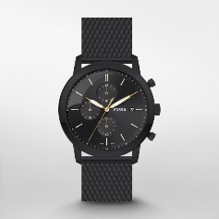 | 796483582682 | 9102.11.2510 | Minimalist | 2022H3 | $175.00 | $87.50 | Mens | 42 mm | Stainless Steel | Black | Mineral | Black | Mesh | Buckle | Quartz | 5 ATM | Japan - JP | 2 Year Limited
FS5944 | 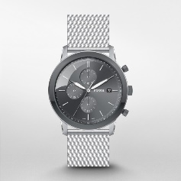 | 796483582699 | 9102.11.2510 | Minimalist | 2022H3 | $175.00 | $87.50 | Mens | 42 mm | Stainless Steel | Gray | Mineral | Silver | Mesh | Buckle | Quartz | 5 ATM | Japan - JP | 2 Year Limited
FS5946 | 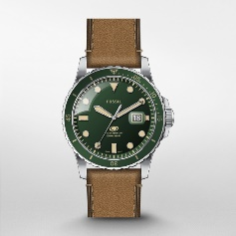 | 796483582651 | 9102.11.4510 | Blue | 2022H3 | $135.00 | $67.50 | Mens | 42 mm | Stainless Steel | Green | Mineral | Brown | Leather | Buckle | Quartz | 10 ATM | Japan - JP | 2 Year Limited
FS5947 | 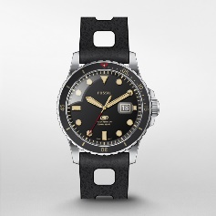 | 796483582637 | 9102.11.4510 | Blue | 2022H3 | $135.00 | $67.50 | Mens | 42 mm | Stainless Steel | Black | Mineral | Black | Silicone | Buckle | Quartz | 10 ATM | Japan - JP | 2 Year Limited
FS5948 | 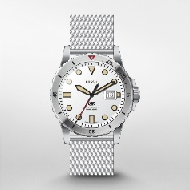 | 796483582644 | 9102.11.2510 | Blue | 2022H3 | $155.00 | $77.50 | Mens | 42 mm | Stainless Steel | Silver | Mineral | Silver | Stainless Steel | Buckle | Quartz | 10 ATM | Japan - JP | 2 Year Limited
FS5949 | 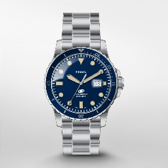 | 796483582590 | 9102.11.2510 | Blue | 2022H3 | $155.00 | $77.50 | Mens | 42 mm | Stainless Steel | Blue | Mineral | Silver | Stainless Steel | Fold-Over | Quartz | 10 ATM | Japan - JP | 2 Year Limited
FS5950 | 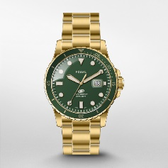 | 796483582613 | 9102.11.1010 | Blue | 2022H3 | $155.00 | $77.50 | Mens | 42 mm | Stainless Steel | Green | Mineral | Gold | Stainless Steel | Fold-Over | Quartz | 10 ATM | Japan - JP | 2 Year Limited
FS5951 | 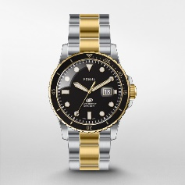 | 796483582606 | 9102.11.1010 | Blue | 2022H3 | $155.00 | $77.50 | Mens | 42 mm | Stainless Steel | Black | Mineral | 2-Tone | Stainless Steel | Fold-Over | Quartz | 10 ATM | Japan - JP | 2 Year Limited
FS5952 | 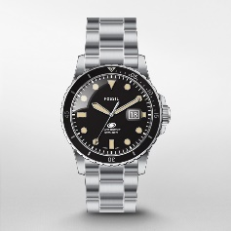 | 796483582620 | 9102.11.2510 | Blue | 2022H3 | $155.00 | $77.50 | Mens | 42 mm | Stainless Steel | Black | Mineral | Silver | Stainless Steel | Fold-Over | Quartz | 10 ATM | Japan - JP | 2 Year Limited

